Dashboard
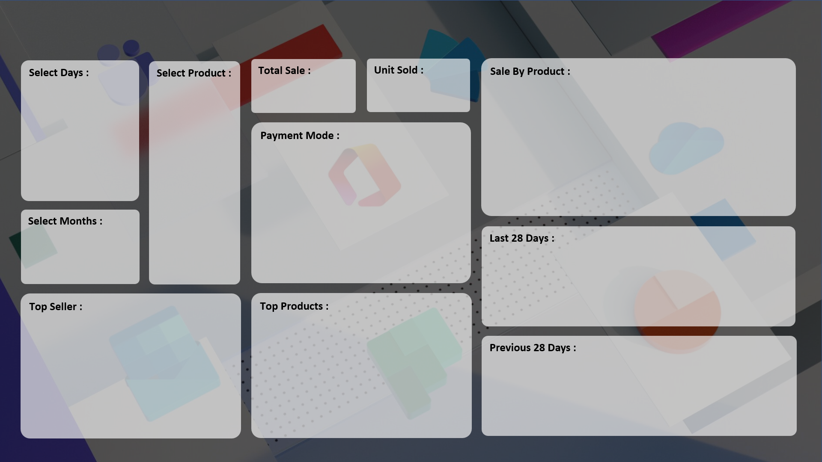
SALE PERFORMANCE DASHBOARD 2023
HP IT Store Sales Report

₹ 70,500
7,679
 | Total
Monitor | 19

 | Total
Cash | 8
Online | 11

 | Total
16-Apr | 5
16-May | 6
16-Jun | 3
16-Jul | 5

 | Total
Super Tech | 3
ABC Traders | 6
RG Store | 10
 | Total
HDD 256 GB | 22
Keyboard | 25
SSD 256 GB | 25

 | Total
16-Apr | 5
16-May | 6
16-Jun | 3
16-Jul | 5

